Sheet1
Name | Date | Link | Similarity | Description | Our Advantages/comments | Images
Commercial
VECTRA WB360 |  | https://www.canfieldsci.com/imaging-systems/vectra-wb360-imaging-system/ | High | It is a full body scan device, and use 46 stereo vision pods(92 cameras). No movable camera. | Similar purpose and it's also a booth. However, ours is much cheaper with similar performance, because we use much less camera. | 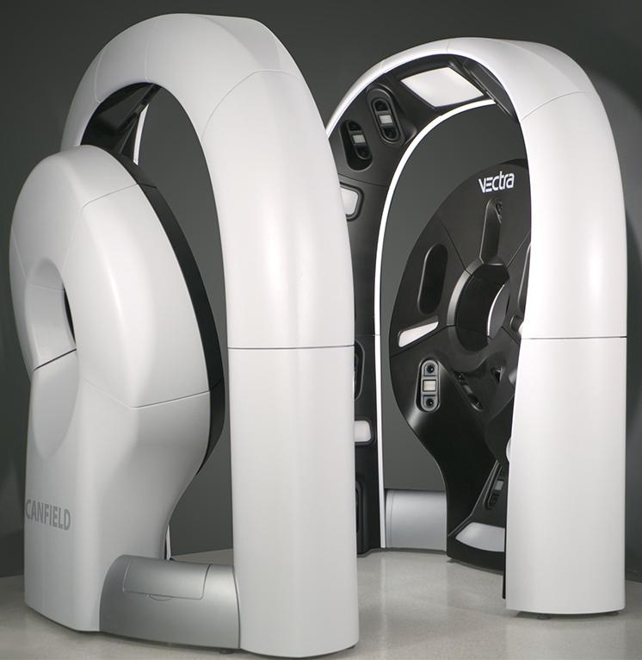
FotoFinder ATBM |  | https://www.fotofinder.de/en/technology/skin-cancer-detection/bodystudio-atbm/master | Low | High-resolution, polarized and RAW-processed photos. With one movable Canon camera | These products are imaging devices but not imaging booth. Ours are automatic booth, and doesn't need many oprations. Also our design can get much higher resolution images. The booth design we have can protect patient privacy. | 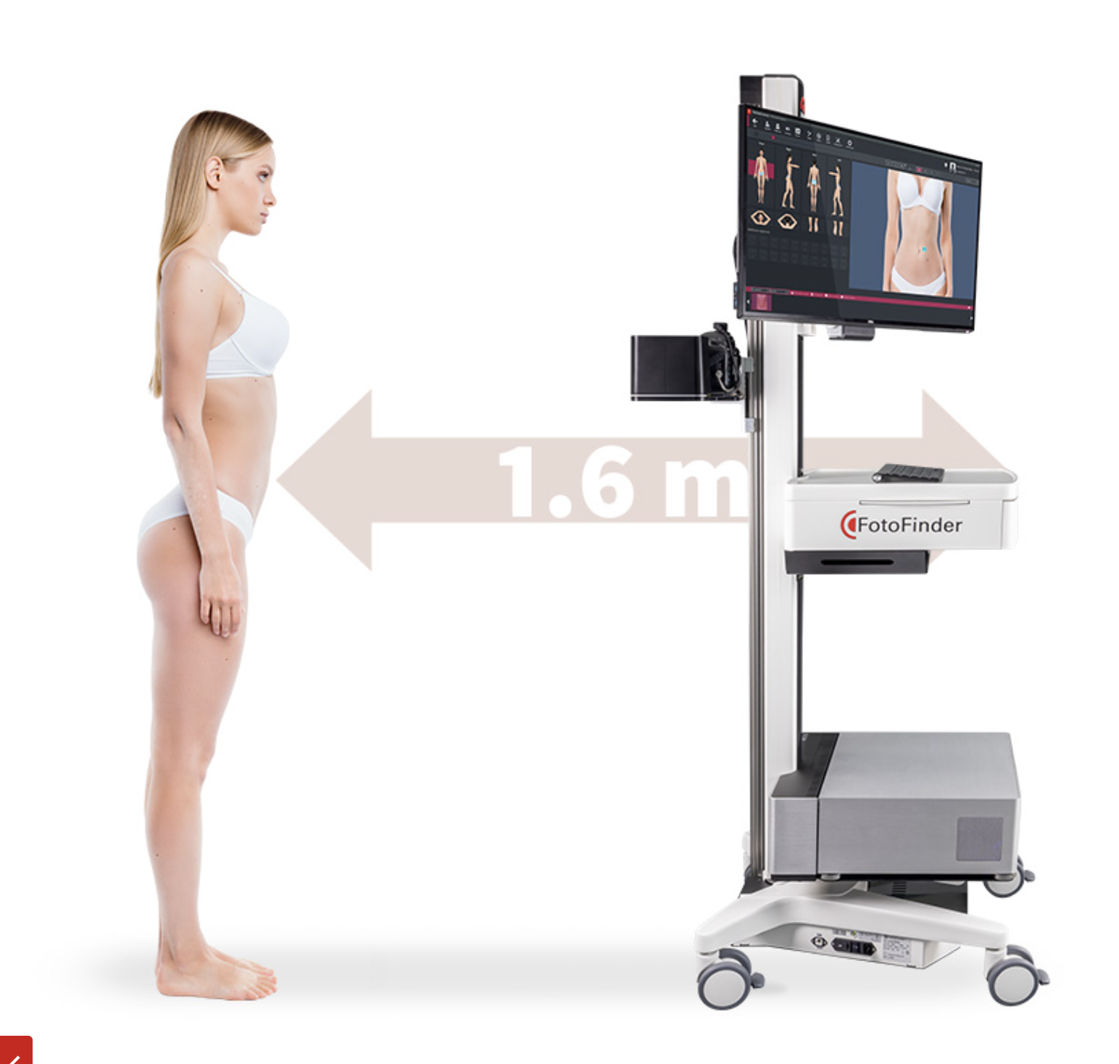
Intellistudio |  | https://www.canfieldsci.com/imaging-systems/intellistudio/ | Low | It is a imaging system using only one high-resolution camera(50MP resolution). The camera is movable.
DermoX2 |  | https://dermoscan.de/en/ | Low | 2 Unmovable cameras. |  | 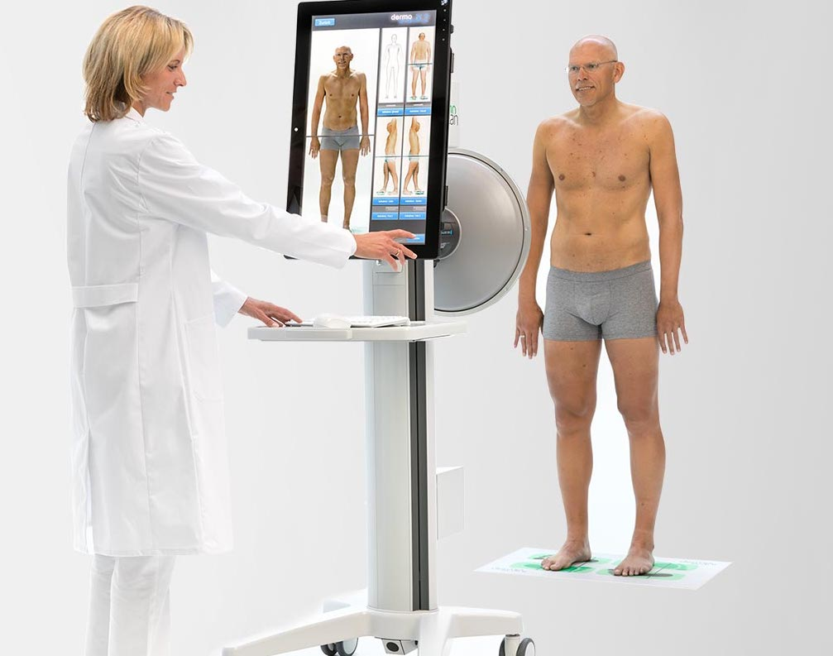
VECTRA XT |  | https://www.canfieldsci.com/imaging-systems/vectra-xt-3d-imaging-system/ | Low | 6 fixed position cameras |  | 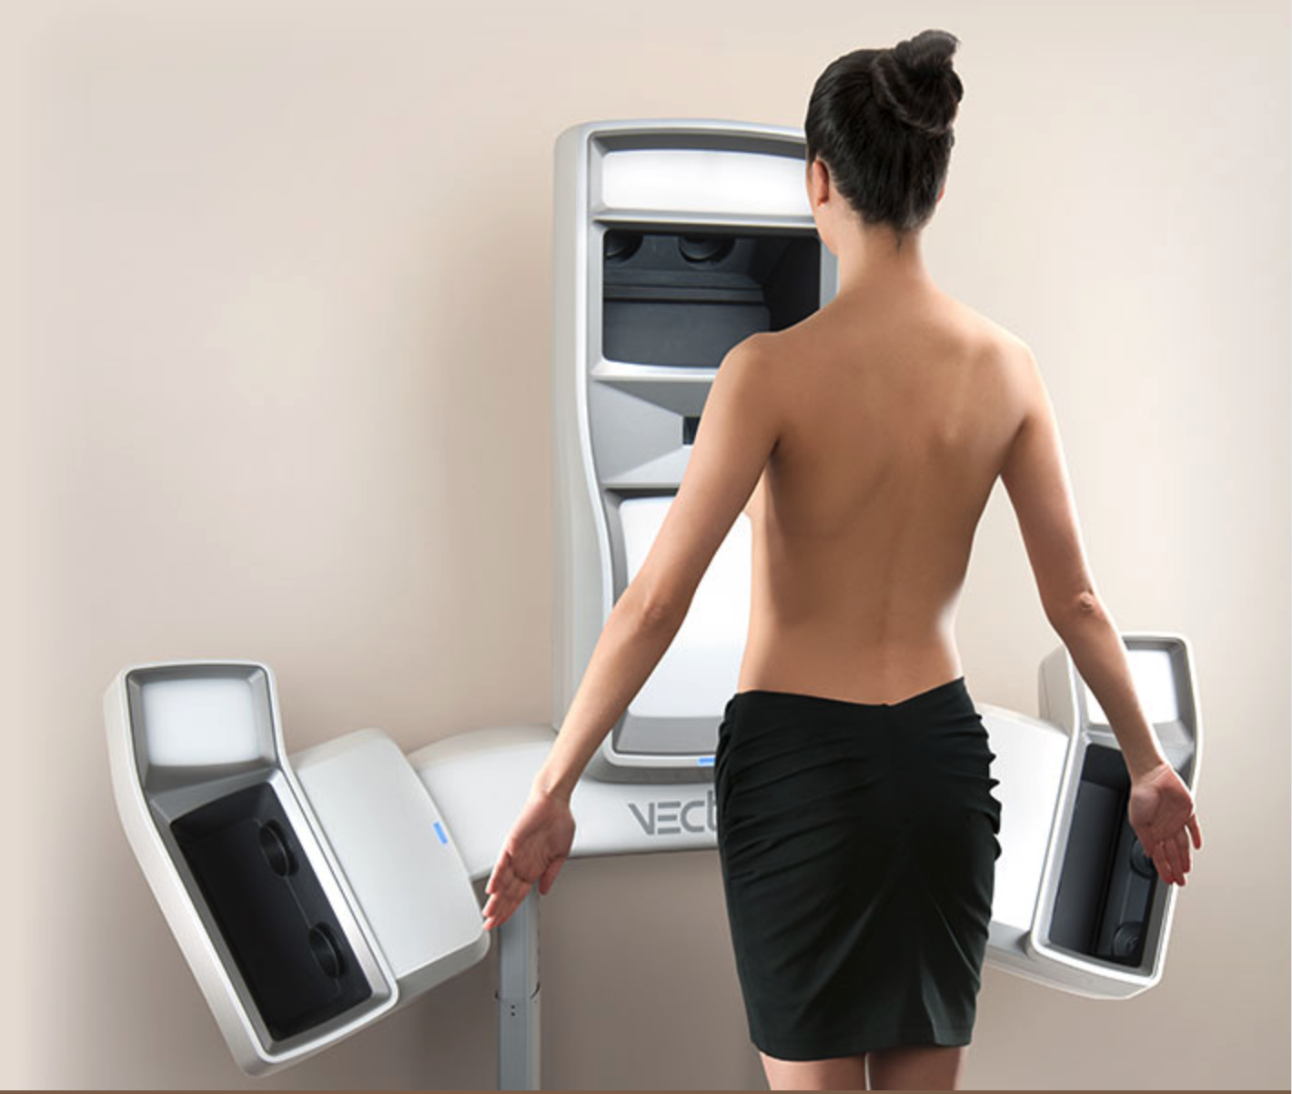

Patents
SYSTEM AND APPARATUS FOR AUTOMATED TOTAL BODY IMAGING | 2019-07-24 | https://patents.google.com/patent/EP3195797A1/en | High | A booth similar to ours. 3 movable camera sets(9 camera in total) |  | 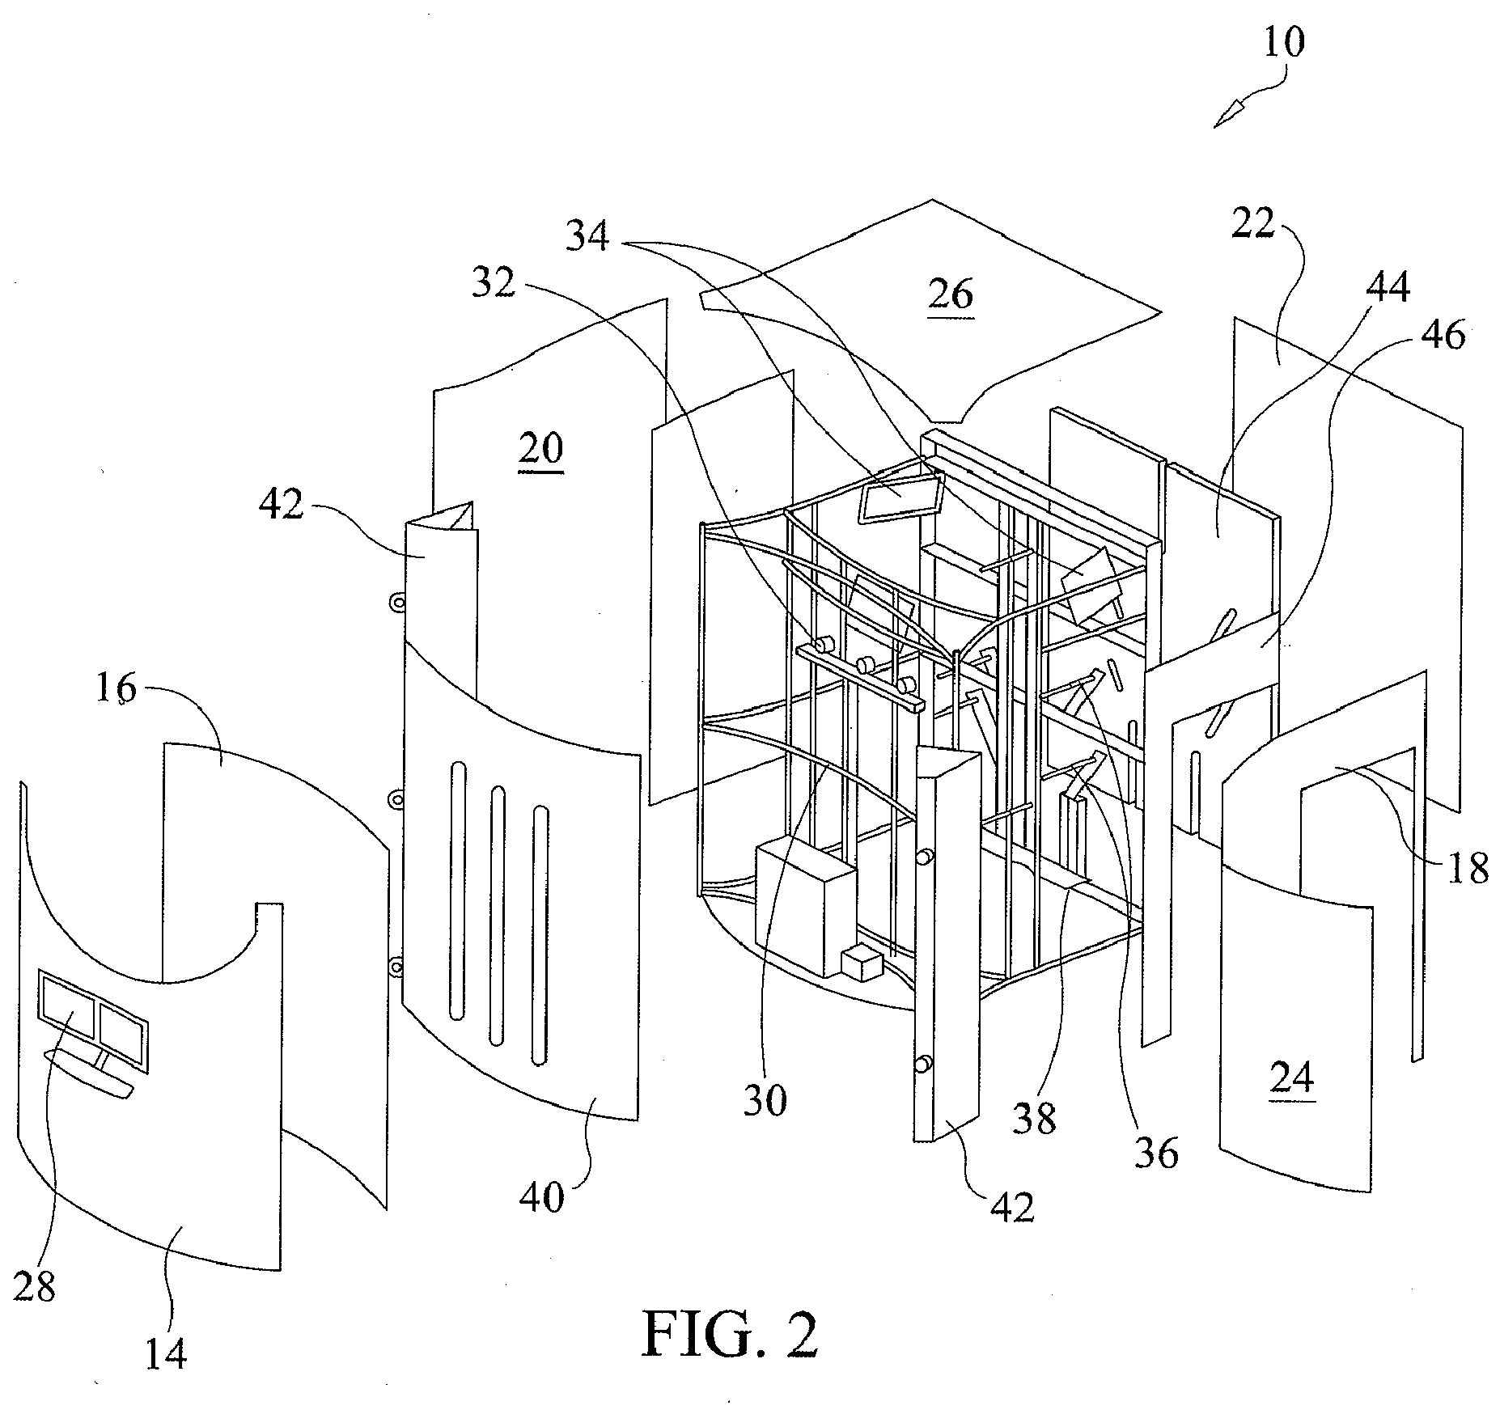
Method and system for body scanning and display of biometric data | 2020-07-07 | https://patents.google.com/patent/US20160247017A1/en | High | 3 camera sets on a stand, and 2 to 4 stands with camera(6 to 12 cameras in total) |  | 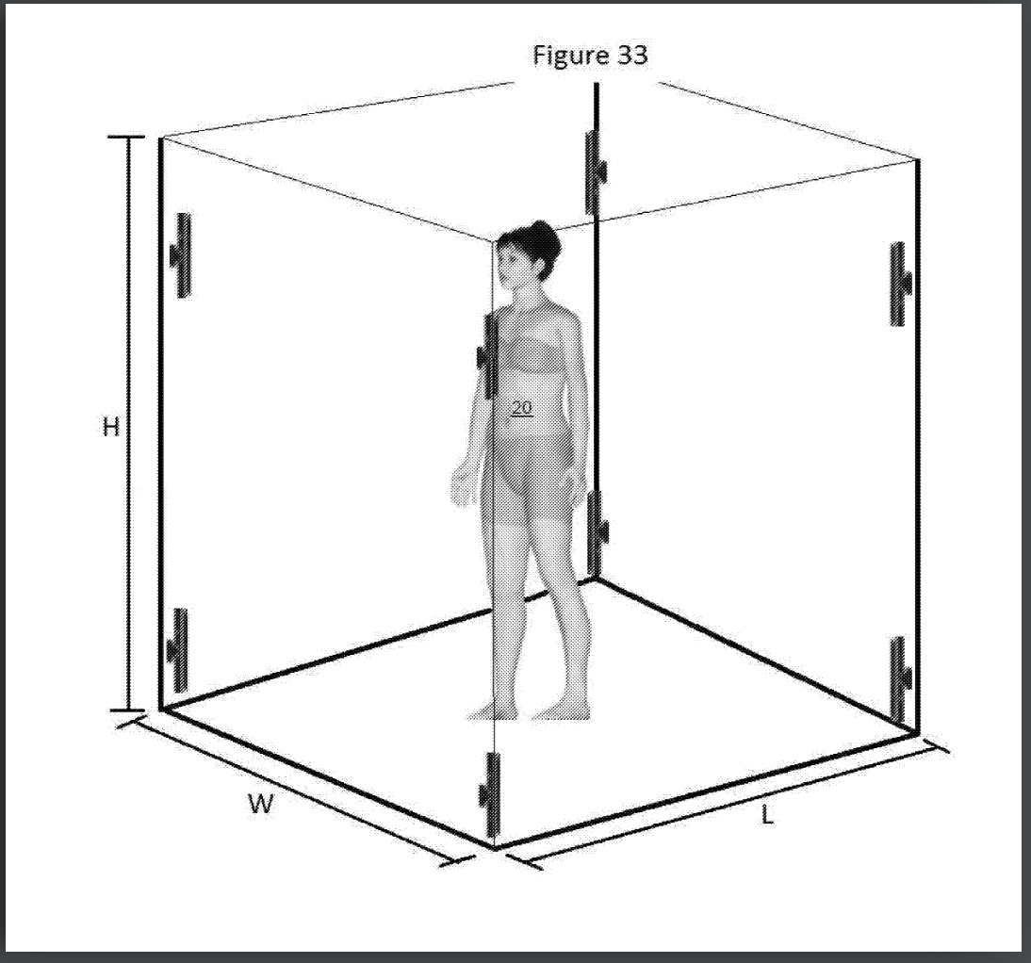
A dermatoscopy device and a method for checking skin lesions | 2022-02-17 | https://patents.google.com/patent/AU2020325991A1/en | Medium | A booth, and one wall has 3 sliders and one camera. The camera can move to each position and take images.This is similar to our "cross slider" design thoughts. |  | 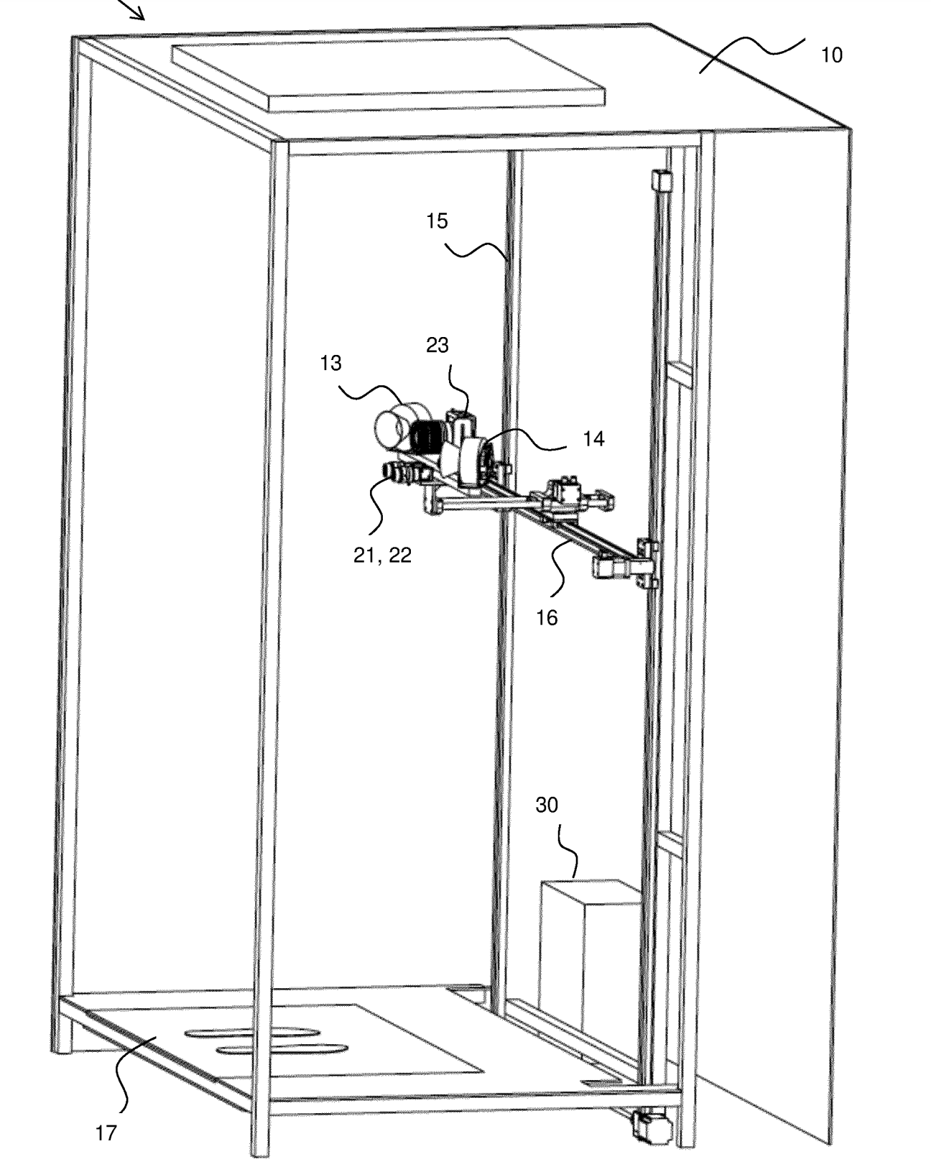
System and method for scanning a human body | 2011-06-09 | https://patents.google.com/patent/WO2011067767A1/en | Medium | The camera can turn to different angle |  | 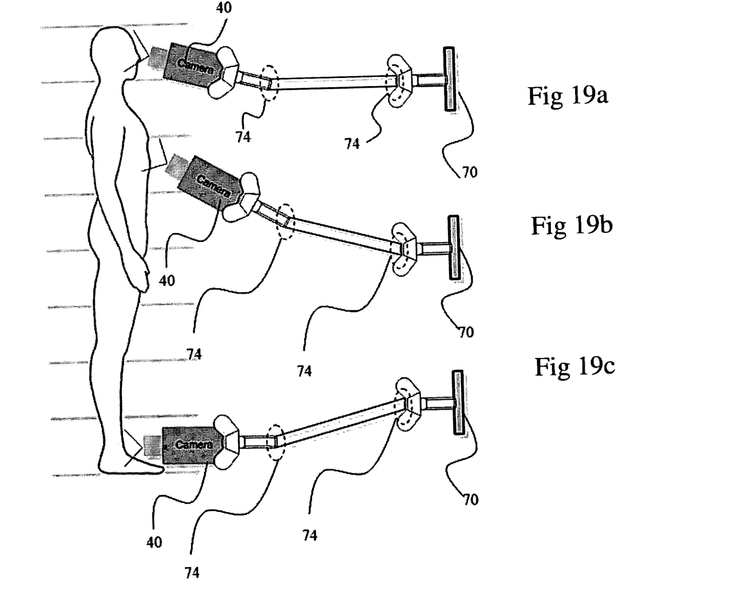
Body Surface Imaging | 2014-09-02 | https://patents.google.com/patent/US20100277571A1/en | Medium | Multiple cameras and stands. This is not a booth, only a iamge devices. However this contains some 3D imaging methods.
360° imaging system | 2015-12-08 | https://patents.google.com/patent/US9207518B2/en | Medium | This uses solution involved multiple metal arms |  | 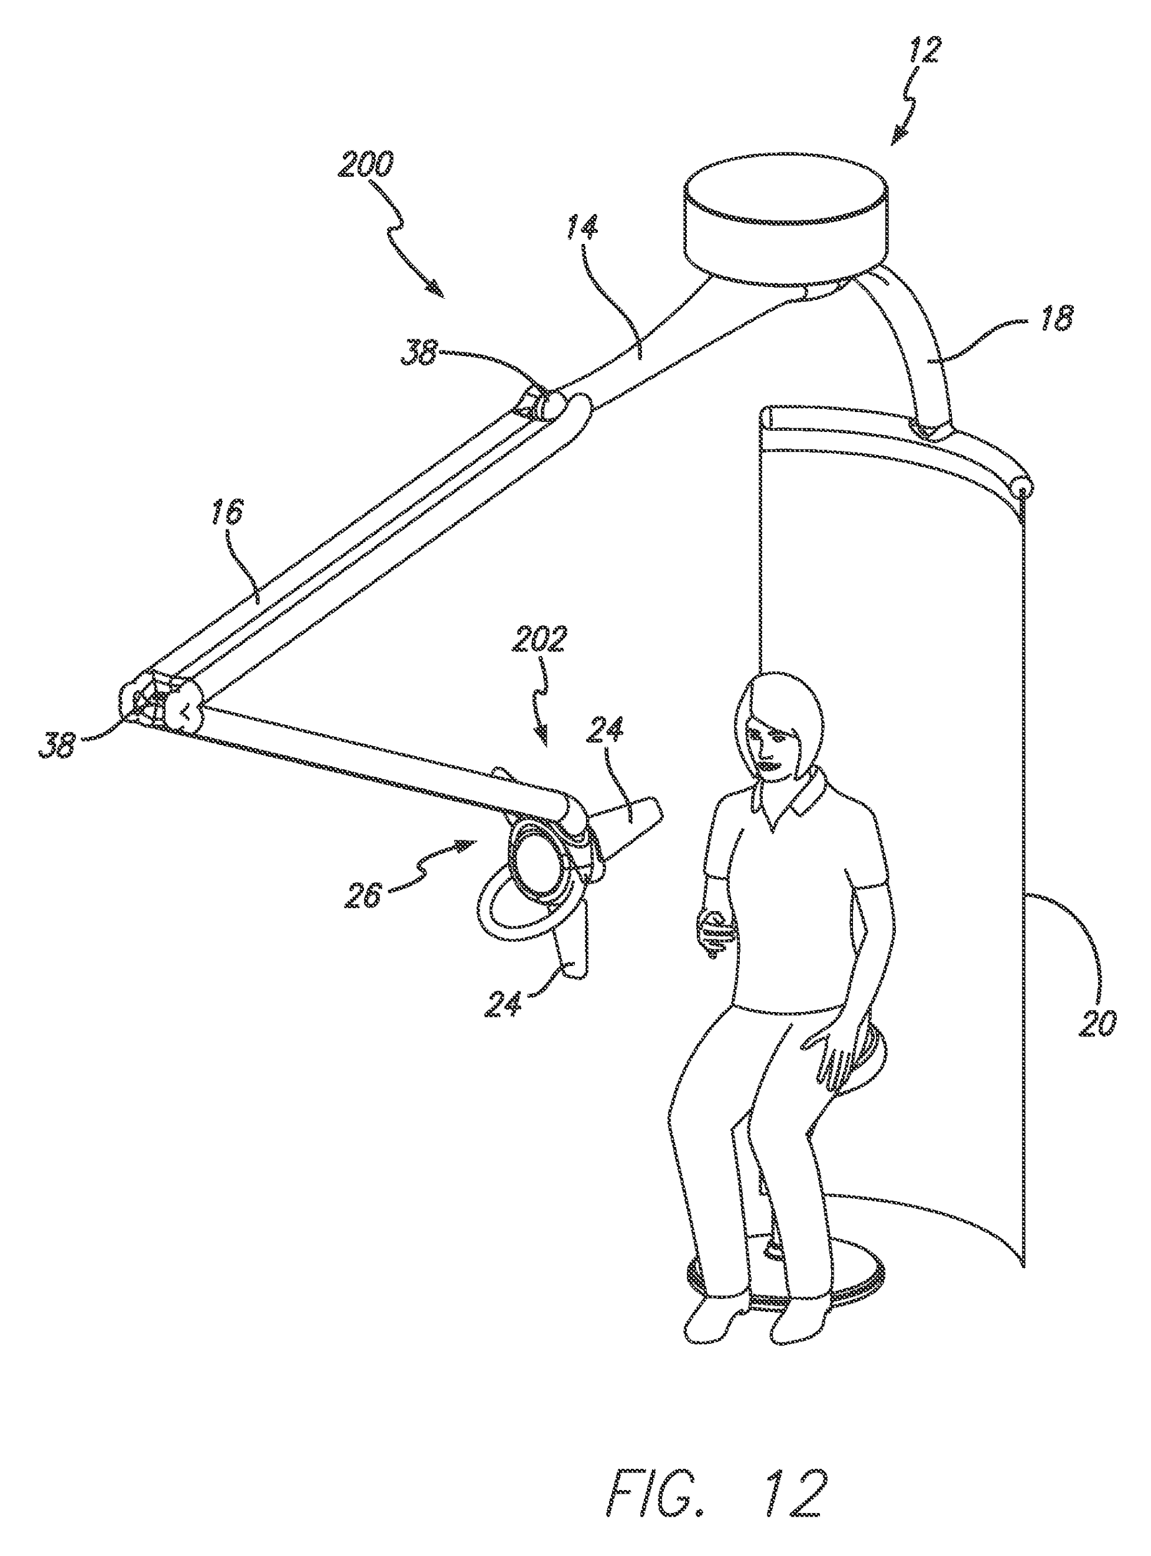
Three-dimensional thermal imaging for the detection of skin lesions and other natural and abnormal conditions | 2014-12-30 | https://patents.google.com/patent/US8923954B2/en | Medium | It is a thermal imaging system. | We are not involving thermal imaging system now, but the imaging devices are also can get optical images.
Photo Pod Imaging Portal | 2009-07-23 | https://patents.google.com/patent/US20090185727A1/en | Low
Systems and methods for optical medical instrument patient measurements | 2021-03-09 | https://patents.google.com/patent/US20190274523A1/en | Low
Reflective mode multi-spectral time-resolved optical imaging methods and apparatuses for tissue classification | 2022-04-19 | https://patents.google.com/patent/US11304604B2/en | Low
Device and method for body moles mapping and tracking | 2014-07-17 | https://patents.google.com/patent/WO2014108896A1/en | Low

Articles
Total body photography for skin cancer screening | 2014-12-16 | https://doi.org/10.1111/ijd.12593 | High | 16-camera imaging booth | No public access
Clinical Perspective of 3D Total Body Photography for Early Detection and Screening of Melanoma | 2018-05-23 | https://doi.org/10.3389/fmed.2018.00152 | High
A New Total Body Scanning System for Automatic Change Detection in Multiple Pigmented Skin Lesions | 2015-01-01 | https://ieeexplore.ieee.org/abstract/document/6897982 | High | 21 high-resolution cameras and a turntable | No public access
Application of artificial intelligence in anterior segment ophthalmic diseases: diversity and standardization | 2020-06-01 | https://www.ncbi.nlm.nih.gov/pmc/articles/PMC7327317/ | Medium | Overview about eye damage classification, imaging devices, image types
The role of technology in melanoma screening and diagnosis | 2020-06-18 | https://onlinelibrary.wiley.com/doi/full/10.1111/pcmr.12907 | Medium | Includes some full body imaging solution and software
Current state of imaging in dermatology | 2016 | https://scmsjournal.com/wp-content/uploads/2016/02/vol35i1-Hibler.pdf | Medium | Includes Total Body Photography(TBP)
Structured-light 3D surface imaging: a tutorial | 2011 | https://opg.optica.org/aop/fulltext.cfm?uri=aop-3-2-128&id=211561 | Medium | 3D surface imaging
The Value of Total Body Photography for the Early Detection of Melanoma: A Systematic Review | 2021-02-18 | https://www.mdpi.com/1660-4601/18/4/1726/htm | Low | A systematic review

